Readings
Level | Strip Light Voltage (V) | Light setup | Target lux | Bin | Measured lux | Conf mean | Conf max | Conf min | Correct? (Y/N/Flicker) | Notes
Using BIN 9 as reference base lux
1 | 0 | Blinds down, all lights OFF (floor) - Bin 9 ~0 lux | 0 | Bin 1 | 3 | 0.61 | 0.64 | 0.58 | Y | 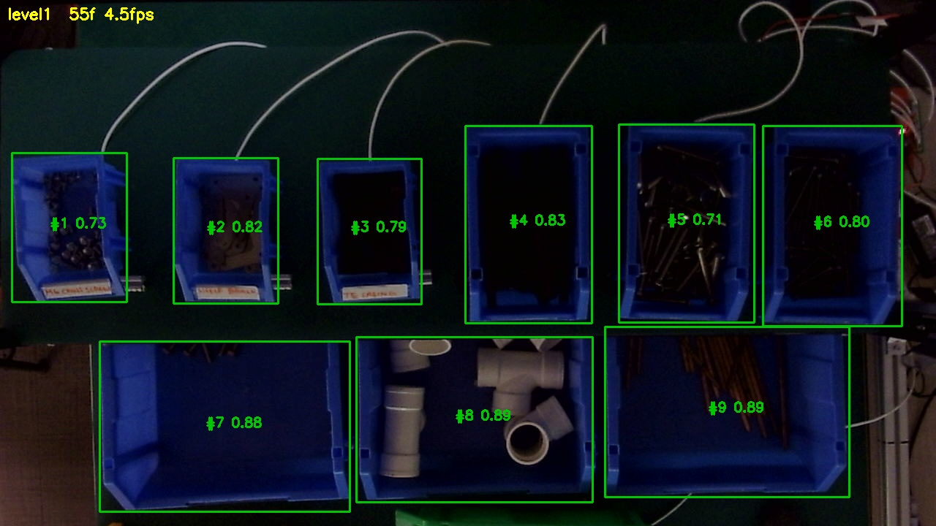
1 | 0 | Blinds down, all lights OFF (floor) - Bin 9 ~0 lux | 0 | Bin 2 | 2 | 0.75 | 0.77 | 0.73 | Y
1 | 0 | Blinds down, all lights OFF (floor) - Bin 9 ~0 lux | 0 | Bin 3 | 6.8 | 0.74 | 0.76 | 0.7 | Y
1 | 0 | Blinds down, all lights OFF (floor) - Bin 9 ~0 lux | 0 | Bin 4 | 4.6 | 0.77 | 0.8 | 0.75 | Y
1 | 0 | Blinds down, all lights OFF (floor) - Bin 9 ~0 lux | 0 | Bin 5 | 10.2 | 0.7 | 0.73 | 0.67 | Y
1 | 0 | Blinds down, all lights OFF (floor) - Bin 9 ~0 lux | 0 | Bin 6 | 3.5 | 0.79 | 0.81 | 0.75 | Y
1 | 0 | Blinds down, all lights OFF (floor) - Bin 9 ~0 lux | 0 | Bin 7 | 3.6 | 0.84 | 0.85 | 0.83 | Y
2 | 20.2 | Dimmer low | 8 | Bin 1 | 4.8 | 0.52 | 0.56 | 0.45 | Y | 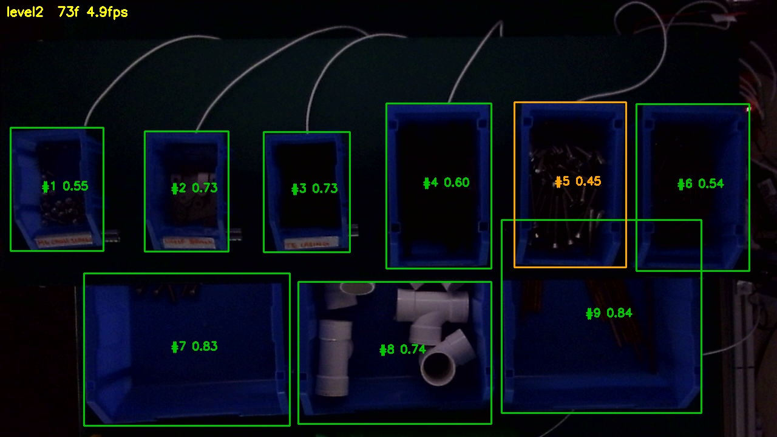
2 | 20.2 | Dimmer low | 8 | Bin 2 | 17.3 | 0.72 | 0.74 | 0.69 | Y
2 | 20.2 | Dimmer low | 8 | Bin 3 | 21.4 | 0.72 | 0.74 | 0.7 | Y
2 | 20.2 | Dimmer low | 8 | Bin 4 | 18.2 | 0.58 | 0.64 | 0.55 | Y
2 | 20.2 | Dimmer low | 8 | Bin 5 | 17.9 | 0.48 | 0.54 | 0.44 | Y
2 | 20.2 | Dimmer low | 8 | Bin 6 | 5.2 | 0.53 | 0.7 | 0.47 | Y
2 | 20.2 | Dimmer low | 8 | Bin 7 | 8.9 | 0.83 | 0.84 | 0.82 | Y
2 | 20.2 | Dimmer low | 8 | Bin 8 | 4.8 | 0.75 | 0.78 | 0.73 | Y
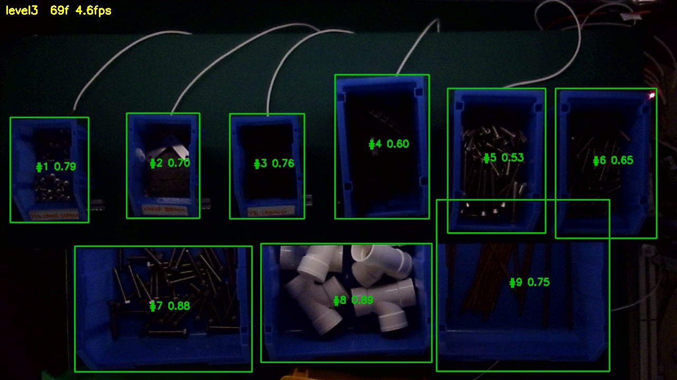
2 | 20.2 | Dimmer low | 8 | Bin 9 | 8 | 0.85 | 0.86 | 0.84 | Y
3 | 20.4 | Dimmer | 16 | Bin 1 | 20.4 | 0.79 | 0.81 | 0.75 | Y
3 | 20.4 | Dimmer | 16 | Bin 2 | 31.1 | 0.69 | 0.73 | 0.66 | Y
3 | 20.4 | Dimmer | 16 | Bin 3 | 35.8 | 0.75 | 0.77 | 0.73 | Y
3 | 20.4 | Dimmer | 16 | Bin 4 | 33.4 | 0.59 | 0.62 | 0.53 | Y
3 | 20.4 | Dimmer | 16 | Bin 5 | 27.4 | 0.53 | 0.61 | 0.48 | Y
3 | 20.4 | Dimmer | 16 | Bin 6 | 15.1 | 0.65 | 0.74 | 0.48 | Y
3 | 20.4 | Dimmer | 16 | Bin 7 | 19.4 | 0.88 | 0.89 | 0.88 | Y
3 | 20.4 | Dimmer | 16 | Bin 8 | 25.7 | 0.89 | 0.9 | 0.88 | Y
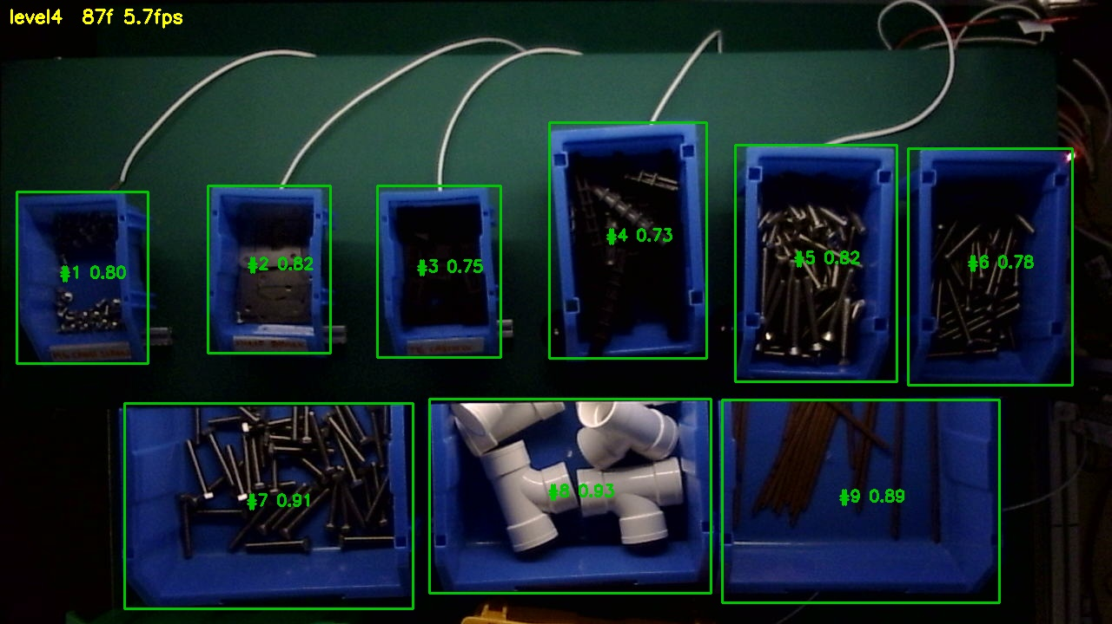
3 | 20.4 | Dimmer | 16 | Bin 9 | 16.2 | 0.75 | 0.78 | 0.72 | Y
4 | 20.7 | Dimmer | 32 | Bin 1 | 39.3 | 0.74 | 0.88 | 0.58 | Y
4 | 20.7 | Dimmer | 32 | Bin 2 | 74.9 | 0.66 | 0.88 | 0.46 | Y
4 | 20.7 | Dimmer | 32 | Bin 3 | 84.8 | 0.78 | 0.84 | 0.26 | Y
4 | 20.7 | Dimmer | 32 | Bin 4 | 79.4 | 0.76 | 0.79 | 0.62 | Y
4 | 20.7 | Dimmer | 32 | Bin 5 | 63.2 | 0.84 | 0.85 | 0.77 | Y
4 | 20.7 | Dimmer | 32 | Bin 6 | 31.5 | 0.6 | 0.89 | 0.38 | Y
4 | 20.7 | Dimmer | 32 | Bin 7 | 46.5 | 0.82 | 0.92 | 0.75 | Y
4 | 20.7 | Dimmer | 32 | Bin 8 | 73.2 | 0.83 | 0.94 | 0.77 | Y
4 | 20.7 | Dimmer | 32 | Bin 9 | 33.5 | 0.82 | 0.9 | 0.76 | Y
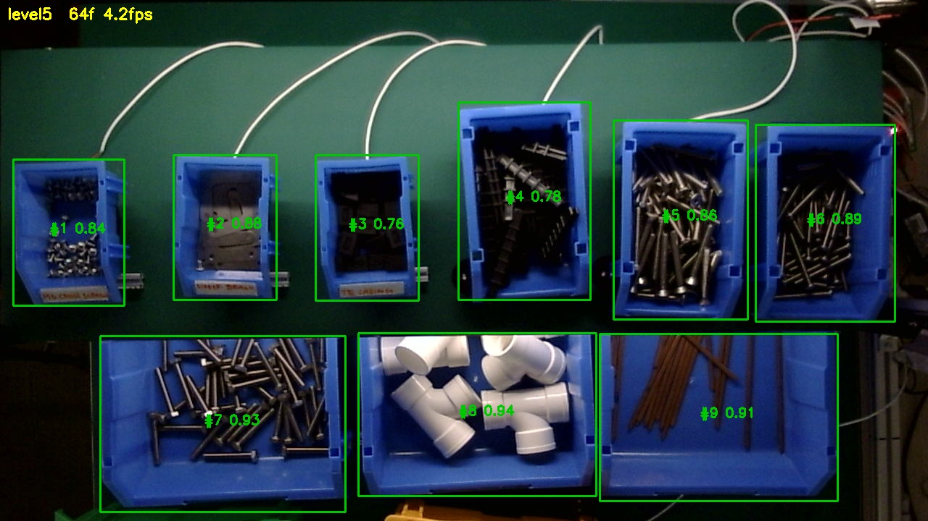
5 | 21 | Dimmer | 64 | Bin 1 | 59.9 | 0.85 | 0.87 | 0.84 | Y
5 | 21 | Dimmer | 64 | Bin 2 | 96.4 | 0.88 | 0.89 | 0.87 | Y
5 | 21 | Dimmer | 64 | Bin 3 | 163.6 | 0.76 | 0.77 | 0.74 | Y
5 | 21 | Dimmer | 64 | Bin 4 | 150.8 | 0.78 | 0.8 | 0.77 | Y
5 | 21 | Dimmer | 64 | Bin 5 | 122.1 | 0.86 | 0.87 | 0.85 | Y
5 | 21 | Dimmer | 64 | Bin 6 | 70.4 | 0.89 | 0.91 | 0.88 | Y
5 | 21 | Dimmer | 64 | Bin 7 | 86.5 | 0.92 | 0.93 | 0.92 | Y
5 | 21 | Dimmer | 64 | Bin 8 | 126.8 | 0.94 | 0.95 | 0.94 | Y
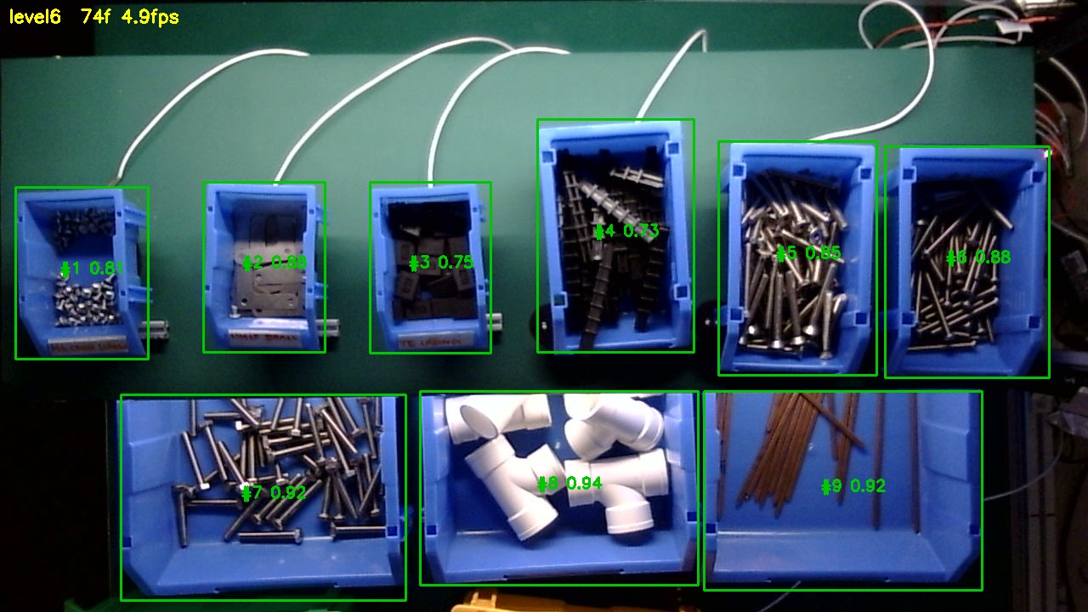
5 | 21 | Dimmer | 64 | Bin 9 | 64.5 | 0.91 | 0.92 | 0.91 | Y
6 | 21.5 | Dimmer | 128 | Bin 1 | 74.9 | 0.81 | 0.83 | 0.79 | Y
6 | 21.5 | Dimmer | 128 | Bin 2 | 287 | 0.88 | 0.89 | 0.88 | Y
6 | 21.5 | Dimmer | 128 | Bin 3 | 324 | 0.75 | 0.77 | 0.73 | Y
6 | 21.5 | Dimmer | 128 | Bin 4 | 301 | 0.73 | 0.74 | 0.71 | Y
6 | 21.5 | Dimmer | 128 | Bin 5 | 213 | 0.85 | 0.86 | 0.84 | Y
6 | 21.5 | Dimmer | 128 | Bin 6 | 101.6 | 0.87 | 0.88 | 0.85 | Y
6 | 21.5 | Dimmer | 128 | Bin 7 | 180.1 | 0.92 | 0.92 | 0.92 | Y
6 | 21.5 | Dimmer | 128 | Bin 8 | 178.2 | 0.94 | 0.94 | 0.93 | Y
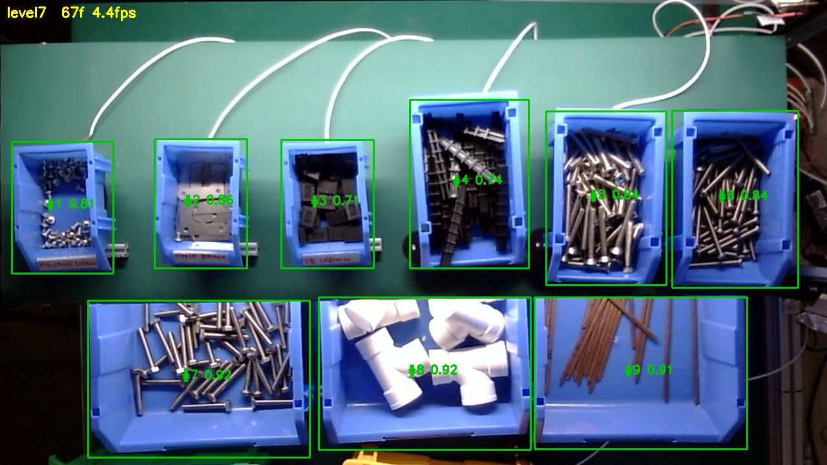
6 | 21.5 | Dimmer | 128 | Bin 9 | 128.6 | 0.92 | 0.92 | 0.91 | Y
7 | 22.4 | Tunable light near/at MAX | 256 | Bin 1 | 294 | 0.8 | 0.81 | 0.78 | Y
7 | 22.4 | Tunable light near/at MAX | 256 | Bin 2 | 608 | 0.86 | 0.86 | 0.85 | Y
7 | 22.4 | Tunable light near/at MAX | 256 | Bin 3 | 709 | 0.71 | 0.73 | 0.69 | Y
7 | 22.4 | Tunable light near/at MAX | 256 | Bin 4 | 583 | 0.74 | 0.76 | 0.73 | Y
7 | 22.4 | Tunable light near/at MAX | 256 | Bin 5 | 457 | 0.84 | 0.85 | 0.84 | Y
7 | 22.4 | Tunable light near/at MAX | 256 | Bin 6 | 217 | 0.84 | 0.86 | 0.81 | Y
7 | 22.4 | Tunable light near/at MAX | 256 | Bin 7 | 303 | 0.92 | 0.92 | 0.91 | Y
7 | 22.4 | Tunable light near/at MAX | 256 | Bin 8 | 589 | 0.92 | 0.92 | 0.91 | Y
7 | 22.4 | Tunable light near/at MAX | 256 | Bin 9 | 257 | 0.9 | 0.91 | 0.91 | Y
8 | 24 | Tunable MAX + office lights ON - Bin 9 ~506 lux | 506 | Bin 1 | 586 | 0.74 | 0.76 | 0.73 | Y
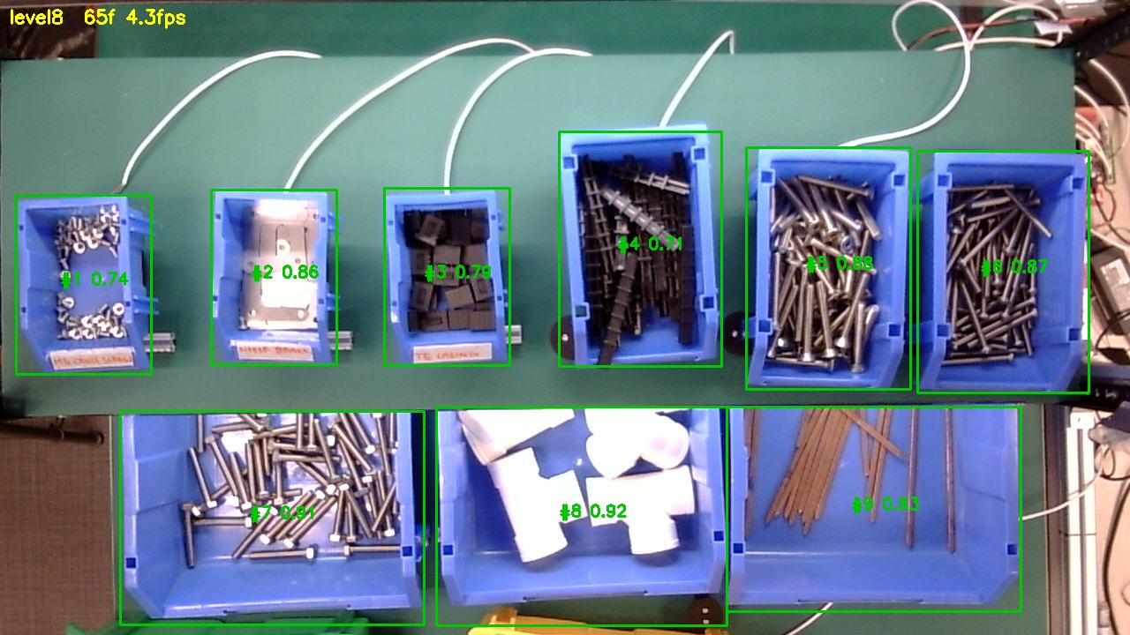
8 | 24 | Tunable MAX + office lights ON - Bin 9 ~506 lux | 506 | Bin 2 | 875 | 0.86 | 0.87 | 0.86 | Y
8 | 24 | Tunable MAX + office lights ON - Bin 9 ~506 lux | 506 | Bin 3 | 1014 | 0.8 | 0.81 | 0.78 | Y
8 | 24 | Tunable MAX + office lights ON - Bin 9 ~506 lux | 506 | Bin 4 | 850 | 0.69 | 0.71 | 0.68 | Y
8 | 24 | Tunable MAX + office lights ON - Bin 9 ~506 lux | 506 | Bin 5 | 682 | 0.88 | 0.89 | 0.88 | Y
8 | 24 | Tunable MAX + office lights ON - Bin 9 ~506 lux | 506 | Bin 6 | 446 | 0.87 | 0.88 | 0.86 | Y
8 | 24 | Tunable MAX + office lights ON - Bin 9 ~506 lux | 506 | Bin 7 | 737 | 0.91 | 0.92 | 0.91 | Y
8 | 24 | Tunable MAX + office lights ON - Bin 9 ~506 lux | 506 | Bin 8 | 740 | 0.92 | 0.92 | 0.91 | Y
8 | 24 | Tunable MAX + office lights ON - Bin 9 ~506 lux | 506 | Bin 9 | 534 | 0.92 | 0.93 | 0.92 | Y

